add to cart bug
Bug ID |  | Def-Product-7
Bug Title |  | Camera product page cannot be added to the cart due to missing category options
Bug Description |  | When clicking on the "Camera" displayed on the homepage, the product page opens, but users cannot add the product to the cart as the category options are missing, and the user is required to select from available options.
Bug Type |  | Functionality
Test Case ID |  | TC-Product-7
Environmet |  | Desktop - Chrome V 117.0.1, Wi-Fi connection (WE)
Priority |  | High
Severity |  | Critical

Steps to Reproduce |  |  | Evidence
 | 1. Open the application in Chrome (version 117.0.1). 2. Log in with email: 78809fdeabac@drmail.in and password: marwa_1510. 3. Click on the "Camera" displayed on the homepage. 4. On the product page, check that no category options are available to select from. |  | 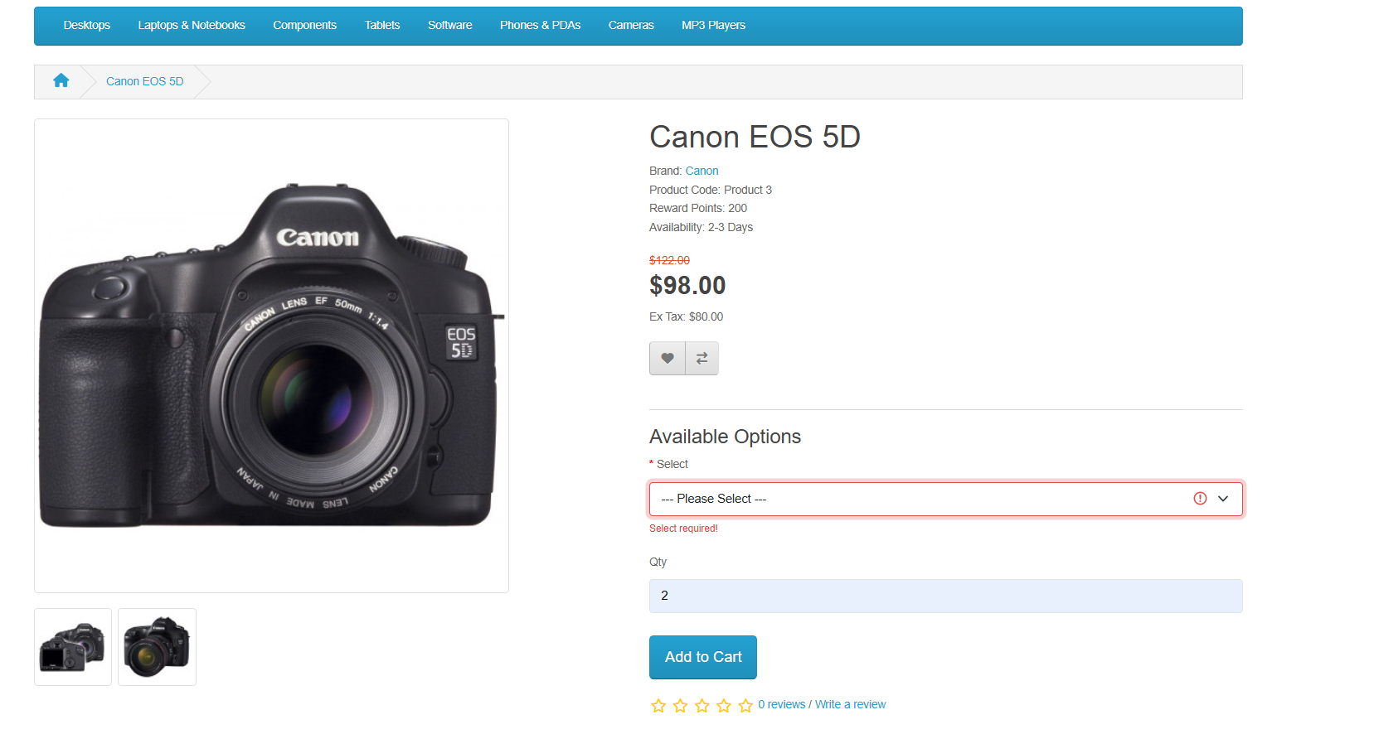

Test Data
URL | https://demo.opencart.com/en-gb?route=common/home
Emai | 78809fdeabac@drmail.in
Password | marwa_1510
 | Camera product displayed on homepage
Expected Result
 | The camera product page should display available category options, allowing the user to select and add the product to the cart.

Actual Result
 | The camera product page opens, but no category options are available, preventing the user from adding the product to the cart.

Reported by |  | Reviewed by |  | Approved by

macbook checkout bug
Bug ID |  | Def-Checkout-8
Bug Title |  | Shipping address field not displayed on checkout page for Macbook product
Bug Description |  | When selecting the "Macbook" product from the homepage and proceeding to the checkout page, the shipping address field is not displayed. The address was not added before, and the user is unable to proceed without entering the address.
Bug Type |  | Functionality
Test Case ID |  | TC-Checkout-8
Environmet |  | Desktop - Chrome V 117.0.1, Wi-Fi connection (WE)
Priority |  | High
Severity |  | Critical

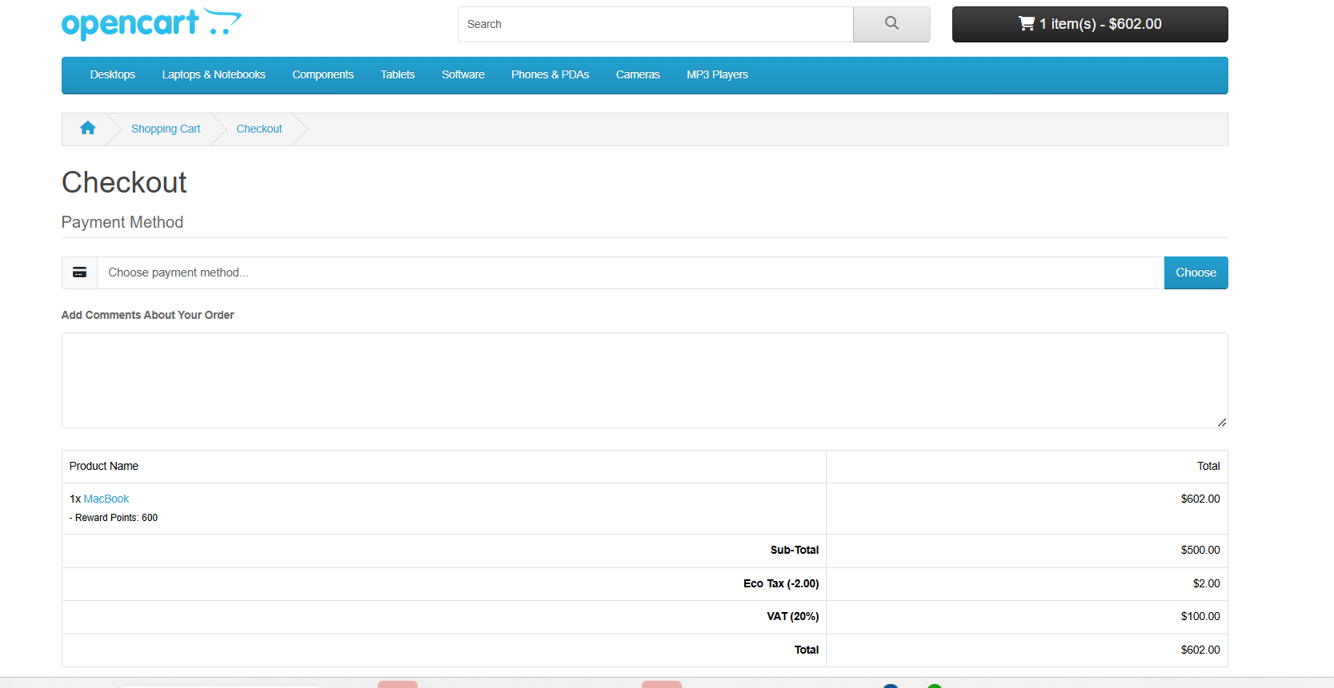
Steps to Reproduce |  |  | Evidence
 | 1. Open the application in Chrome (version 117.0.1). 2. Log in with email: 78809fdeabac@drmail.in and password: marwa_1510. 3. Select the "Macbook" product from the homepage. 4. Proceed to the checkout page. 5. Check if the shipping address field is displayed.

Test Data
URL | https://demo.opencart.com/en-gb?route=common/home
Emai | 78809fdeabac@drmail.in
Password | marwa_1510
 | Product: Macbook
Expected Result
 | The checkout page should display the shipping address field, allowing the user to enter the shipping address.

Actual Result
 | The shipping address field is missing, and the user is unable to add the address or proceed with the checkout process.

Reported by |  | Reviewed by |  | Approved by

wrong product display bug
Bug ID |  | Def-Product-9
Bug Title |  | Incorrect products (iPhones and laptops) displayed on the "Desktops" product page
Bug Description |  | The "Desktops" product page displays unrelated products, such as iPhones and laptops, alongside desktop products. This creates confusion for users browsing the page.
Bug Type |  | Data consistency
Test Case ID |  | TC-Product-9
Environmet |  | Desktop - Chrome V 117.0.1, Wi-Fi connection (WE)
Priority |  | Medium
Severity |  | Major

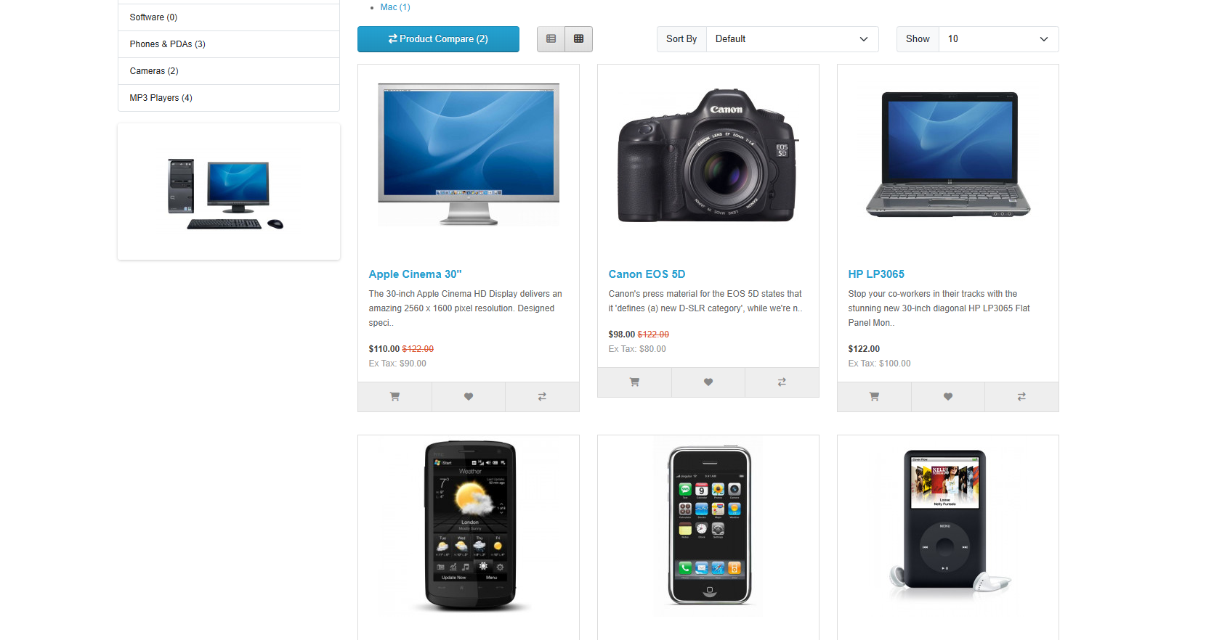
Steps to Reproduce |  |  | Evidence
 | 1. Open the application in Chrome (version 117.0.1). 2. Log in with email: 78809fdeabac@drmail.in and password: marwa_1510. 3. Navigate to the "Desktops" product page from the top menu. 4. Scroll through the product listings on the page.

Test Data
URL | https://demo.opencart.com/en-gb?route=common/home
Emai | 78809fdeabac@drmail.in
Password | marwa_1510

Expected Result
 | The "Desktops" product page should display only desktop products relevant to the category.

Actual Result
 | The "Desktops" product page displays iPhones and laptops, which are unrelated to the desktop category.

Reported by |  | Reviewed by |  | Approved by

shipping method bug
Bug ID |  | Def-Checkout-10
Bug Title |  | Unable to choose a shipping method on the checkout page
Bug Description |  | On the checkout page, the shipping method cannot be selected. This prevents the user from proceeding with the order.
Bug Type |  | Functionality
Test Case ID |  | TC-Checkout-10
Environmet |  | Desktop - Chrome V 117.0.1, Wi-Fi connection (WE)
Priority |  | High
Severity |  | Critical

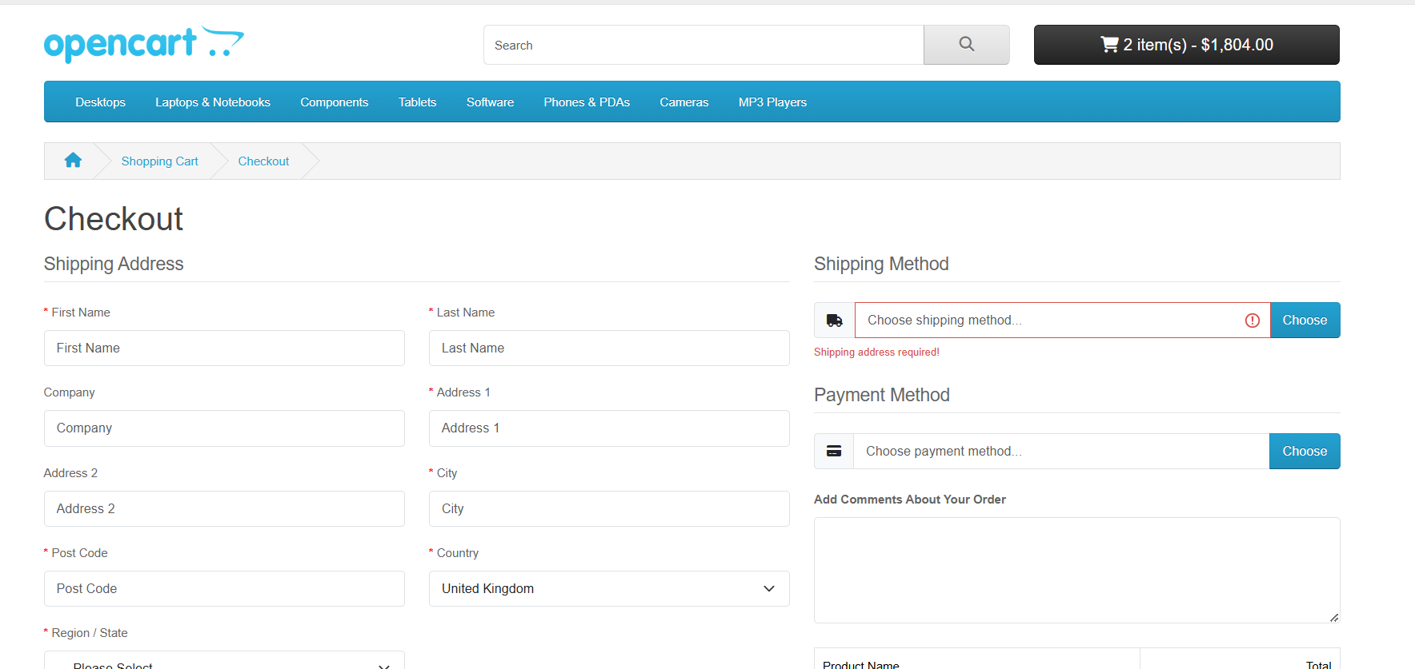
Steps to Reproduce |  |  | Evidence
 | 1. Open the application in Chrome (version 117.0.1). 2. Log in with email: 78809fdeabac@drmail.in and password: marwa_1510. 3. Add any product to the cart . 4. Proceed to the checkout page. 5. Attempt to select a shipping method from the available options.

Test Data
URL | https://demo.opencart.com/en-gb?route=common/home
Emai | 78809fdeabac@drmail.in
Password | marwa_1510

Expected Result
 | The checkout page should allow the user to select a shipping method and proceed with the order.

Actual Result
 | The shipping method cannot be selected, preventing the user from proceeding with the order.

Reported by |  | Reviewed by |  | Approved by

